Sheet1
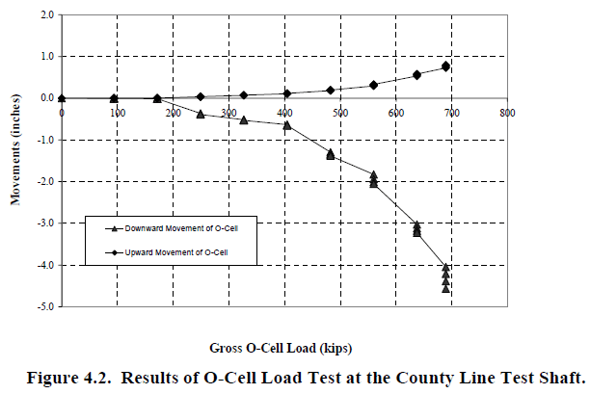
x | Curve1 | x | Curve1 | Load, Kips | Upward, in. | Downward, in
0 | -0.0458716 | -1.42E-14 | 0 | 0 | 0.0000 | 0.0000
93.3045 | -0.0351715 | 95.0282 | -0.00120935 | 94 | 0.0000 | -0.0012
171.058 | -0.0262548 | 171.057 | -0.00333443 | 171 | 0.0000 | -0.0033
248.812 | 0.0285335 | 250.407 | -0.385898 | 250 | 0.0285 | -0.3859
324.838 | 0.0601878 | 329.844 | -0.514995 | 327 | 0.0602 | -0.5150
402.592 | 0.114976 | 404.097 | -0.644689 | 403 | 0.1150 | -0.6447
480.346 | 0.215636 | 483.359 | -1.28072 | 482 | 0.2156 | -1.2807
559.827 | 0.33943 | 559.117 | -2.0554 | 560 | 0.3394 | -1.7557
635.853 | 0.577506 | 559.165 | -1.91715 | 560 | 0.3394 | -1.9172
689.417 | 0.813007 | 560.948 | -1.75565 | 560 | 0.3394 | -2.0554
 |  | 636.46 | -3.24465 | 638 | 0.5775 | -2.9217
 |  | 638.243 | -3.08315 | 638 | 0.5775 | -3.0832
 |  | 640.027 | -2.92166 | 638 | 0.5775 | -3.2447
 |  | 687.915 | -4.34471 | 689 | 0.8130 | -3.9756
 |  | 687.979 | -4.16037 | 689 | 0.8130 | -4.1604
 |  | 689.572 | -4.55189 | 689 | 0.8130 | -4.3447
 |  | 691.499 | -3.97563 | 689 | 0.8130 | -4.5519

